Sheet2
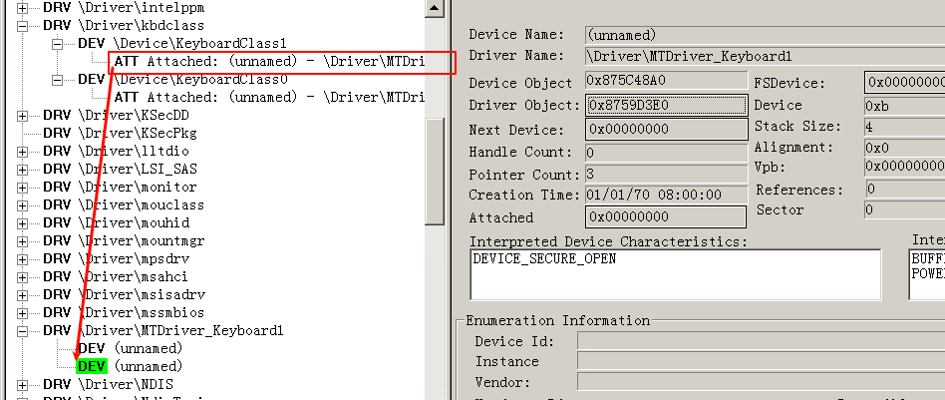
1）以键盘驱动对象为例
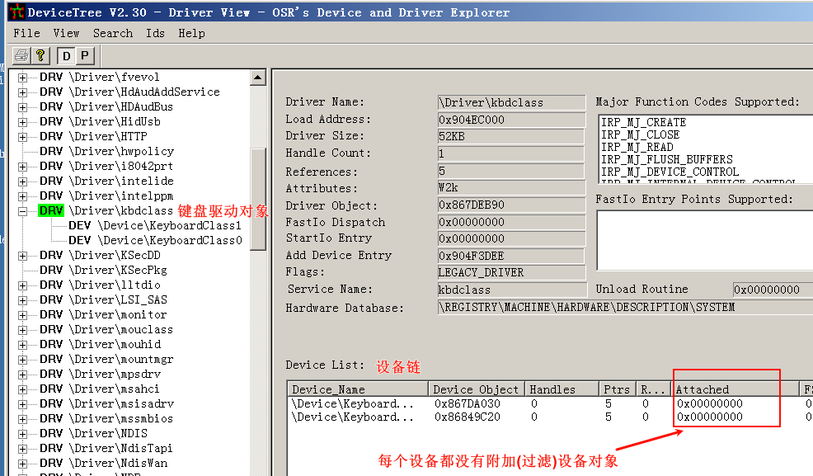

2）附加第一个过滤设备对象，
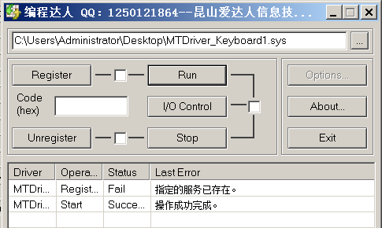

刷新DeviceTree.exe，设备栈增加，该过滤设备可以处理键盘硬件的io请求 即监听按键

Sheet3
#include <ntddk.h>
#include <ntddkbd.h>
#include "KeyboardScanfCode.h"
// 设备扩展结构
typedef struct _Dev_exten
{
ULONG Size;// 该结构大小
PDEVICE_OBJECT FilterDevice;// 过滤设备对象
PDEVICE_OBJECT TargeDevice;// 下一设备对象
PDEVICE_OBJECT LowDevice;// 最底层设备对象
KSPIN_LOCK IoRequestSpinLock;// 自旋锁
KEVENT IoInProgressEvent;// 事件
PIRP pIrp;// IRP
} DEV_EXTENSION, *PDEV_EXTENSION;
// 声明微软未公开的ObReferenceObjectByName()函数
NTSTATUS ObReferenceObjectByName(
PUNICODE_STRING ObjectName,
ULONG Attributes,
PACCESS_STATE AccessState,
ACCESS_MASK DesiredAccess,
POBJECT_TYPE ObjectType,
KPROCESSOR_MODE AccessMode,
PVOID ParseContest,
PVOID *Object
);
extern POBJECT_TYPE *IoDriverObjectType;
//解除绑定
NTSTATUS DeAttach(PDEVICE_OBJECT pdevice)
{
PDEV_EXTENSION devExt;
devExt = (PDEV_EXTENSION)pdevice->DeviceExtension;
IoDetachDevice(devExt->TargeDevice);
devExt->TargeDevice = NULL;
IoDeleteDevice(pdevice);
devExt->FilterDevice = NULL;
return STATUS_SUCCESS;
}
//设备卸载函数
NTSTATUS DriverUnload(PDRIVER_OBJECT pDriver)
{
PDEVICE_OBJECT pDevice;
PDEV_EXTENSION devExt;
UNREFERENCED_PARAMETER(pDriver);
KdPrintEx((77,0,"DriverEntry Unloading...\n"));
pDevice = pDriver->DeviceObject;
while (pDevice)
{
DeAttach(pDevice);
pDevice = pDevice->NextDevice;
}
pDriver->DeviceObject = NULL;
return STATUS_SUCCESS;
}
// 设备操作通用分发函数
NTSTATUS GeneralDispatch(PDEVICE_OBJECT pDevice, PIRP pIrp)
{
NTSTATUS status;
KdPrintEx((77,0,"General Diapatch\n"));
PDEV_EXTENSION devExt = (PDEV_EXTENSION)pDevice->DeviceExtension;
PDEVICE_OBJECT lowDevice = devExt->LowDevice;
IoSkipCurrentIrpStackLocation(pIrp);
status = IoCallDriver(lowDevice, pIrp);
return status;
}
// IRP读操作的完成回调函数
NTSTATUS ReadComp(PDEVICE_OBJECT pDevice, PIRP pIrp, PVOID Context)
{
CHAR ch[2] = { 0 };
NTSTATUS status;
PIO_STACK_LOCATION stack;
ULONG keyNumber;
PKEYBOARD_INPUT_DATA myData;
stack = IoGetCurrentIrpStackLocation(pIrp);
if (NT_SUCCESS(pIrp->IoStatus.Status))
{
// 获取键盘数据
myData = pIrp->AssociatedIrp.SystemBuffer;
// SystemBuffer是一个数组,Information记录着大小
keyNumber = (ULONG)(pIrp->IoStatus.Information / sizeof(PKEYBOARD_INPUT_DATA));
//for (ULONG i = 0; i < keyNumber; i++)
for (ULONG i = keyNumber-1; i < keyNumber; i++)
{
if (PCScanfCode[myData->MakeCode] == 0) break;;
if (myData->Flags != KEY_MAKE) break;// 只记录按下
KdPrintEx((77,0,"scanfcode:0x%x\tchar:%s\t%s\n",
myData->MakeCode,
PCScanfCode[myData->MakeCode],
myData->Flags ? "Up" : "Down"));
//if (myData->MakeCode == 0x1f)
//{
//myData->MakeCode = 0x20;
//}
}
}
// PendingReturned 带返回的
if (pIrp->PendingReturned)
{
IoMarkIrpPending(pIrp);
}
return pIrp->IoStatus.Status;
}
// IRP读分发函数
NTSTATUS ReadDispatch(PDEVICE_OBJECT pDevice, PIRP pIrp)
{
NTSTATUS status = STATUS_SUCCESS;
PDEV_EXTENSION devExt;
PDEVICE_OBJECT lowDevice;
PIO_STACK_LOCATION stack;
if (pIrp->CurrentLocation == 1)
{
KdPrintEx((77,0,"irp send error..\n"));
status = STATUS_INVALID_DEVICE_REQUEST;
pIrp->IoStatus.Status = status;
pIrp->IoStatus.Information = 0;
IoCompleteRequest(pIrp, IO_NO_INCREMENT);
return status;
}
// 得到设备扩展。目的是之后为了获得下一个设备的指针。
devExt = pDevice->DeviceExtension;
lowDevice = devExt->LowDevice;
stack = IoGetCurrentIrpStackLocation(pIrp);
// 复制IRP栈
IoCopyCurrentIrpStackLocationToNext(pIrp);
// 设置IRP完成回调函数,IoCompleteRequest触发
IoSetCompletionRoutine(pIrp, ReadComp, pDevice, TRUE, TRUE, TRUE);
status = IoCallDriver(lowDevice, pIrp);
return status;
}
// 电源IRP分发函数
NTSTATUS PowerDispatch(PDEVICE_OBJECT pDevice, PIRP pIrp)
{
PDEV_EXTENSION devExt;
devExt = (PDEV_EXTENSION)pDevice->DeviceExtension;
PoStartNextPowerIrp(pIrp);
IoSkipCurrentIrpStackLocation(pIrp);// Irp->CurrentLocation++;
return PoCallDriver(devExt->TargeDevice, pIrp);
}
// 即插即用IRP分发函数
NTSTATUS PnPDispatch(PDEVICE_OBJECT pDevice, PIRP pIrp)
{
PDEV_EXTENSION devExt;
PIO_STACK_LOCATION stack;
NTSTATUS status = STATUS_SUCCESS;
devExt = (PDEV_EXTENSION)pDevice->DeviceExtension;
stack = IoGetCurrentIrpStackLocation(pIrp);
switch (stack->MinorFunction)
{
case IRP_MN_REMOVE_DEVICE :
// 首先把请求发下去
IoSkipCurrentIrpStackLocation(pIrp);
IoCallDriver(devExt->LowDevice, pIrp);
// 然后解除绑定。
IoDetachDevice(devExt->LowDevice);
// 删除我们自己生成的虚拟设备。
IoDeleteDevice(pDevice);
status = STATUS_SUCCESS;
break;
default :
// 对于其他类型的IRP，全部都直接下发即可。
IoSkipCurrentIrpStackLocation(pIrp);
status = IoCallDriver(devExt->LowDevice, pIrp);
}
return status;
}
// 初始化扩展设备
NTSTATUS DevExtInit(PDEV_EXTENSION devExt, PDEVICE_OBJECT filterDevice, PDEVICE_OBJECT targetDevice, PDEVICE_OBJECT lowDevice)
{
memset(devExt, 0, sizeof(DEV_EXTENSION));
devExt->FilterDevice = filterDevice;
devExt->TargeDevice = targetDevice;
devExt->LowDevice = lowDevice;
devExt->Size = sizeof(DEV_EXTENSION);
KeInitializeSpinLock(&devExt->IoRequestSpinLock);
KeInitializeEvent(&devExt->IoInProgressEvent, NotificationEvent, FALSE);
return STATUS_SUCCESS;
}
// 将过滤设备绑定到目标设备上
NTSTATUS AttachDevice(PDRIVER_OBJECT pDriver, PUNICODE_STRING RegPatch)
{
UNICODE_STRING kbdName = RTL_CONSTANT_STRING(L"\\Driver\\Kbdclass");
NTSTATUS status = 0;
PDEV_EXTENSION devExt;// 过滤设备的扩展设备
PDEVICE_OBJECT filterDevice;// 过滤设备
PDEVICE_OBJECT targetDevice;// 目标设备（键盘设备）
PDEVICE_OBJECT lowDevice;// 底层设备（向某一个设备上加一个设备时不一定是加到此设备上，而加在设备栈的栈顶）
PDRIVER_OBJECT kbdDriver;// 用于接收打开的物理键盘设备
// 获取键盘驱动的对象，保存在kbdDriver
status = ObReferenceObjectByName(&kbdName, OBJ_CASE_INSENSITIVE, NULL, 0, *IoDriverObjectType, KernelMode, NULL, &kbdDriver);
if (!NT_SUCCESS(status))
{
KdPrintEx((77,0,"Open KeyBoard Driver Failed\n"));
return status;
}
else
{
// 解引用
ObDereferenceObject(kbdDriver);
}
// 获取键盘驱动设备链中的第一个设备
targetDevice = kbdDriver->DeviceObject;
// 像链表操作一样，遍历键盘键盘设备链中的所有设备
while (targetDevice)
{
// 创建一个过滤设备
status = IoCreateDevice(pDriver, sizeof(DEV_EXTENSION), NULL, targetDevice->DeviceType, targetDevice->Characteristics, FALSE, &filterDevice);
if (!NT_SUCCESS(status))
{
KdPrintEx((77,0,"Create New FilterDevice Failed\n"));
filterDevice = targetDevice = NULL;
return status;
}
// 将调用者的设备对象附加到链中最高的设备对象，并返回指向先前最高的设备对象的指针。
lowDevice = IoAttachDeviceToDeviceStack(filterDevice, targetDevice);
if (!lowDevice)
{
KdPrintEx((77,0,"Attach Faided!\n"));
IoDeleteDevice(filterDevice);
filterDevice = NULL;
return status;
}
// 初始化设备扩展
devExt = (PDEV_EXTENSION)filterDevice->DeviceExtension;
DevExtInit(devExt, filterDevice, targetDevice, lowDevice);
filterDevice->DeviceType = lowDevice->DeviceType;
filterDevice->Characteristics = lowDevice->Characteristics;
filterDevice->StackSize = lowDevice->StackSize + 1;
filterDevice->Flags |= lowDevice->Flags & (DO_BUFFERED_IO | DO_DIRECT_IO | DO_POWER_PAGABLE);
// filterDevice->Flags &= DO_DEVICE_INITIALIZING;// 去掉设备初始化
// 遍历下一个设备
targetDevice = targetDevice->NextDevice;
}
KdPrintEx((77,0,"Create And Attach Finshed...\n"));
return status;
}
// 驱动入口函数
NTSTATUS DriverEntry(PDRIVER_OBJECT pDriver, PUNICODE_STRING RegPath)
{
memset(&PCScanfCode[60], 0, 0xff - 60);
ULONG i;
NTSTATUS status = STATUS_SUCCESS;
pDriver->DriverUnload = DriverUnload;// 注册驱动卸载函数
for (i = 0; i < IRP_MJ_MAXIMUM_FUNCTION; i++)
{
pDriver->MajorFunction[i] = GeneralDispatch;// 注册通用的IRP分发函数
}
pDriver->MajorFunction[IRP_MJ_READ] = ReadDispatch;// 注册读IRP分发函数
pDriver->MajorFunction[IRP_MJ_POWER] = PowerDispatch;// 注册电源IRP分发函数
pDriver->MajorFunction[IRP_MJ_PNP] = PnPDispatch;// 注册即插即用IRP分发函数
AttachDevice(pDriver, RegPath);// 绑定设备
return status;
}

